Summary
 |  | ENERGY MANAGEMENT SYSTEM (EnMS) SUMMARY:
 |  | BUILDING NAME
 |  | ADDRESS

Policy & Management Commitment
Example: Facility portfolio goal is to reduce energy use 3% per year, and support Pennsylvania's goal of reducing greenhouse gas emissions 80% by 2050. Incorporating an EnMS supports our mission to operate more efficiently, effectively and deliver exceptional value.

Facility Description
Enter Summary Description. Include the EnMS boundary description, location, basic size and shape, occupancy, construction year, unique features, and tenants.

Significant Energy Using Systems
The EnMS team has identified these Significant Energy Using (SEUs) systems:
a. Example: Air handlers | e. Example: Office Equipment
b. Example: Electric chillers | f. Example: Lighting
c. Example: Natural Gas Boilers | g. Example: Elevators
d. Example: Control Systems (pneumatic and digital)

Add a few sentences of anything noteworthy about the SEUs. Ex: Last time certain SEUs were updated, or any legal restrictions or requirements around certain SEUs.

Energy Dashboard
Facility energy usage has gone (up or down) by X% since our baseline year of XXXX. Energy costs have (increased or decreased) by $ XX from the baseline period. Why? (briefly explain change, if known)… Provided below is the current breakdown of energy usage by fuel type, current annual cost of fuel, and additional estimated savings potential available (if additional investments are made).
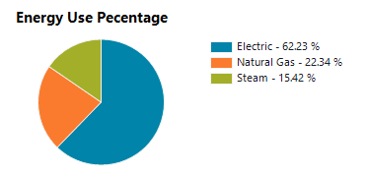

 |  |  |  | Annual energy costs ($) - all fuel types |  | $/SF | Savings Target (%) | Potential Annual Energy Savings

Actions, Planning & Investment
Scheduled Energy-Related Projects | Project Value |  | Annual Estimated Savings |  | Estimated ROI | Delivery Type |  | Project Start

Not scheduled Energy-Related Projects | Project Value |  | Annual Estimated Savings |  | Estimated ROI | Delivery Type |  | Project Start

Additional Opportunities | Notes
Example: staff needs
Example: space consolidation opportunties

